EDA
Data Info
 | Recording | 正式实验10
 | Subject | 张海硕
 | Create Time | 2023-11-25 15:12:45.808
 | Data Name | Finger8 EDA
 | Data Type | EDA
 | Sample Rate | 64
 | Segment | 后静息态
 | Start Time | 0:57:39
 | End Time | 1:02:39
 | Duration | 0:05:00

Replay Chart
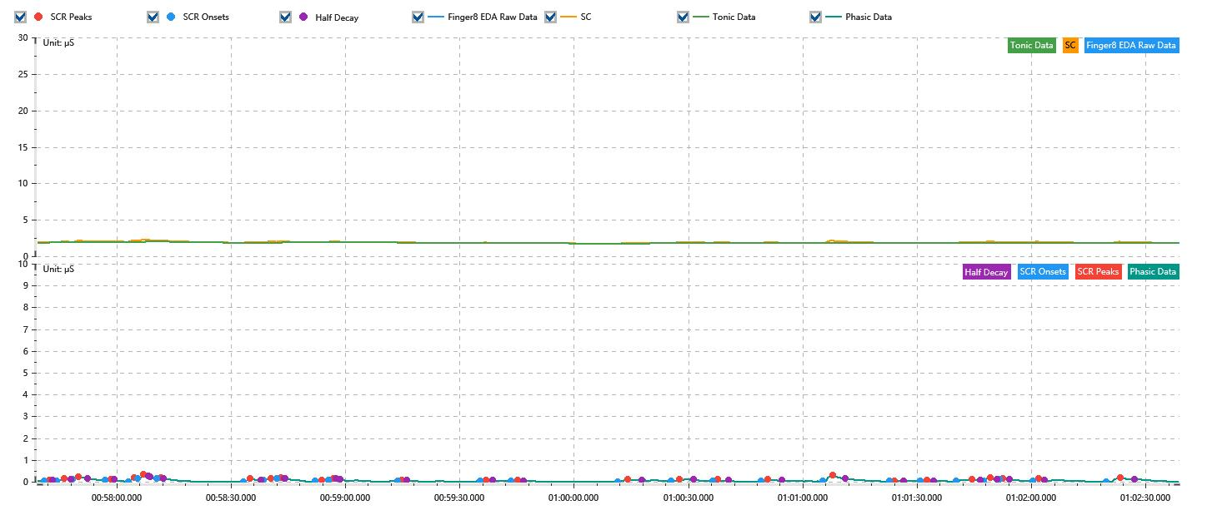

Process parameters
 | Filters
 | Smooth denoise | Enabled | 高斯 | 5(samples)
 | Lowpass filter | Enabled | 5μS
 | Skin Conductance Response
 | SCR extraction | Minimum SCR amplitude | 0.03μS
 | SCR extraction | Max rise time | 4s
 | SCR extraction | Max half decay time | 4s
 | SCR extraction | Peak dection sensitivity | 中
 | Event related activation | Window relative to event | 1s | 4s

Time Domain
 | Data | Mean | Max | Min | Std | Variance | Polar Distance | Data Length
 | SC | 1.91μS | 2.31μS | 1.73μS | 0.09μS | 0.01μS² | 0.58μS | 1200
 | Tonic | 1.85μS | 2μS | 1.73μS | 0.06μS | 0μS² | 0.27μS | 1200
 | Phasic | 0.05μS | 0.31μS | 0μS | 0.05μS | 0μS² | 0.31μS | 1200

SCR
 | OnsetTime | PeakTime | RiseTime | HalfDecayTime | Amp
 | 0.040058923611 | 0.040073391204 | 1.25s | 1s | 0.03μS
 | 0.040096539352 | 0.0401196875 | 2s | 1.75s | 0.11μS
 | 0.040145729167 | 0.040163090278 | 1.5s | 2.25s | 0.14μS
 | 0.040244108796 | 0.040261469907 | 1.5s | 0.75s | 0.04μS
 | 0.040313553241 | 0.040330914352 | 1.5s | 3.75s | 0.15μS
 | 0.040342488426 | 0.040359849537 | 1.5s | 1.75s | 0.18μS
 | 0.040400358796 | 0.04041193287 | 1s | 0.75s | 0.04μS
 | 0.040663668981 | 0.040683923611 | 1.75s | 2.75s | 0.13μS
 | 0.04072443287 | 0.040747581019 | 2s | 3.75s | 0.09μS
 | 0.04076494213 | 0.040776516204 | 1s | 1s | 0.07μS
 | 0.04088068287 | 0.0409009375 | 1.75s | 3.75s | 0.06μS
 | 0.04092119213 | 0.040935659722 | 1.25s | 1.75s | 0.09μS
 | 0.041132418981 | 0.041143993056 | 1s | 1.25s | 0.04μS
 | 0.041381261574 | 0.041398622685 | 1.5s | 1.75s | 0.05μS
 | 0.041476747685 | 0.041497002315 | 1.75s | 1.5s | 0.04μS
 | 0.041800821759 | 0.041829756944 | 2.5s | 3.75s | 0.1μS
 | 0.041962858796 | 0.041986006944 | 2s | 3.75s | 0.08μS
 | 0.042087280093 | 0.042104641204 | 1.5s | 2.75s | 0.07μS
 | 0.042234849537 | 0.042255104167 | 1.75s | 3.75s | 0.1μS
 | 0.042422928241 | 0.042451863426 | 2.5s | 3.25s | 0.3μS
 | 0.042625474537 | 0.04263994213 | 1.25s | 2.5s | 0.03μS
 | 0.04271806713 | 0.042738321759 | 1.75s | 1.75s | 0.04μS
 | 0.042828020833 | 0.04287431713 | 4s | 2.25s | 0.1μS
 | 0.04291193287 | 0.0429321875 | 1.75s | 1.75s | 0.15μS
 | 0.042958229167 | 0.042969803241 | 1s | 1.75s | 0.03μS
 | 0.043059502315 | 0.043076863426 | 1.5s | 1.5s | 0.09μS
 | 0.043282303241 | 0.043325706019 | 3.75s | 3.75s | 0.18μS

Event Related
 | Event Group | Event Name | Event Description | EventTime | SCRCount | Latency | AmpSum | SCL | Half Decay Time Avg. | Rise Decay Time Avg.
 | Custom | 后静息态采集开始 |  | 0.040035740741 | 1 | 2s | 0.03μS | 1.88μS | 1s | 1.25s

